Sheet1
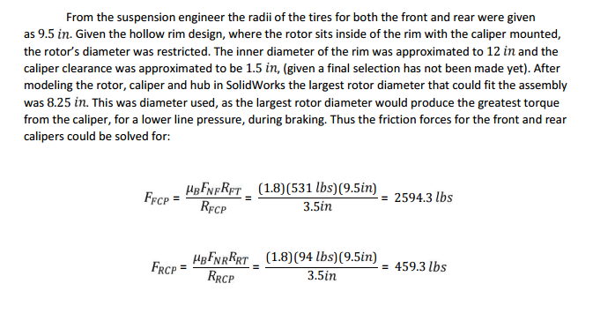
Initial parameters |  | Unit |  | Unit

Vehicle weight (including driver) W | 283 | Kg | 625 | lb
Maximum speed | 25 | m/s | 55 | mph
Wheelbase L | 1.5 | m | 59 | inch
H | 0.185 | m | 7.3 | inch
Lf | 0.64 | m | 25 | inch
Lr | 0.75 | m | 29 | inch
Ub coefficient | 1.8
tyre radius | 0.25 | m | 9.84 | inch
The rim diameter | 0.3 | m | 11.8 | inch
Calliper clearance | 0.03 | m | 1.18 | inch
Rotor diameter | 0.2 | m | 7.87 | inch
Mean radii of the friction force | 0.08 | m | 3.14 | inch
Calliper coefficient factor ucp | 0.6
Piston area Afcp | 0.00154 | m2 | 2.54 | inch^2

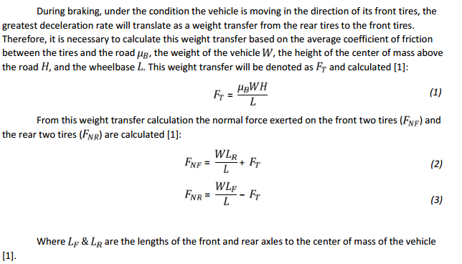

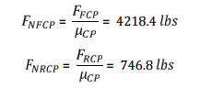

Calculations
Weight transfer force | 62.826 | kg | 139.19491525 | lbs | Ft
Weight transfer force exerted on tyre F | 183.57266667 | kg | 446.39830508 | lbs | Fnf
Weight transfer force exerted on tyre R | 78.674 | kg | 125.63559322 | lbs | Fnr
Friction forces front callipers | 1032.59625 | kg | 2518.0276368 | lbs | Ffcp
Friction forces rear callipers | 442.54125 | kg | 708.68077297 | lbs | Frcp | Need to select to 2 piston
Neutral forces front callipers | 1720.99375 | kg | 4196.7127281 | lbs | Fnfcp
Neutral forces rear callipers | 737.56875 | kg | 1181.1346216 | lbs | Fnrcp
Pressure in line front | 0.66258259375 | kg/m2 | 413.06227638 | psi | Pf
Pressure in line rear | 0.28396396875 | kg/m2 | 116.25340764 | psi | Pr | Need to select master cylinders
Force on master cylinder Front |  |  | 729.57124566
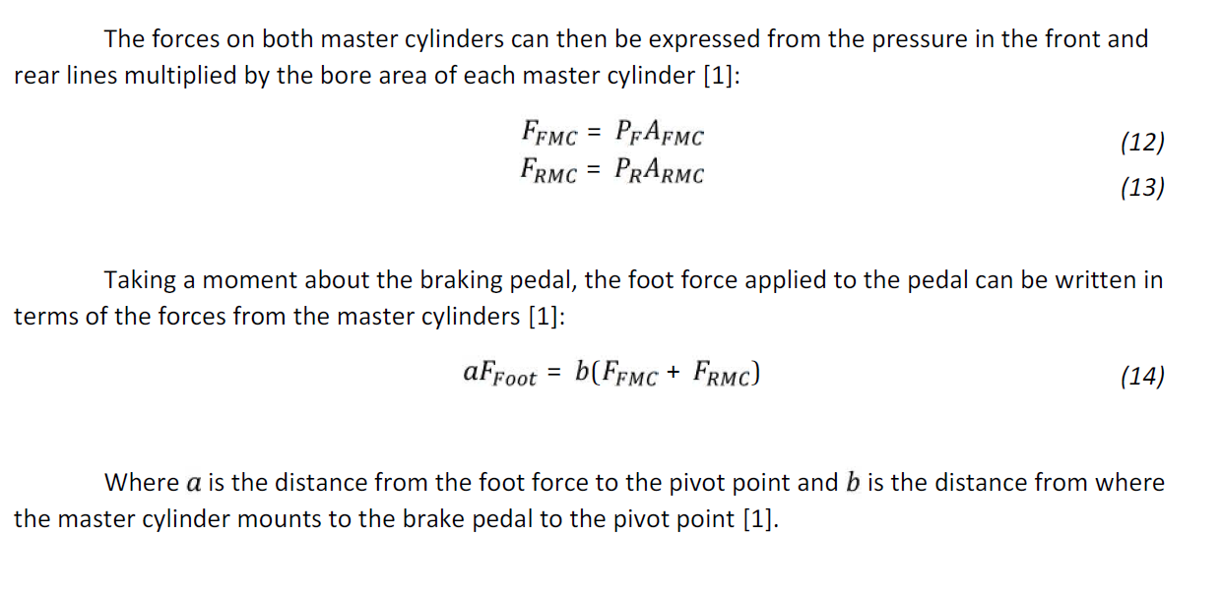
Force on master cylinder Rear |  |  | 205.33258124
Area of each master cylinder | 2025.8024 | mm2 | 1.76625 | inch2

Displacement of caliper pistons recommended | 0.000793785 | m | 0.03125 | inch
a | 260 | mm | 10 | inch | (approximated from drawing)
b | 71 | mm | 2.8 | inch
b/a |  |  | 0.28
F foot required |  |  | 261.77307153 | lbs

